Details
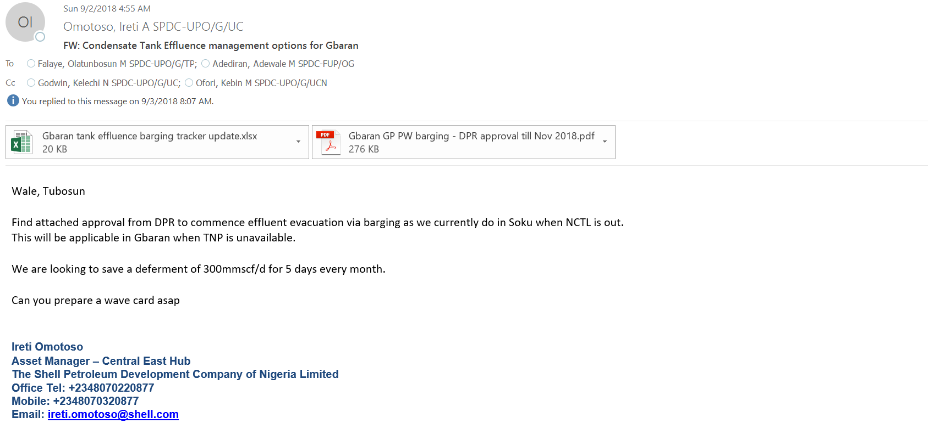
Cost elements of Gbaran GP Produced water barging
 | NGN | USD | F USD | Fleet size | Days | Total (F$)
Cost of an Environmental Barge/ day | 37,015.29 | 344.25 | 465.61 | 8 | 30 | 111,747
Cost of a tug boat / day | 70,327.98 | 654.05 | 884.63 | 8 | 30 | 212,312
Cost of MPV (1 pair) | 200,000.00 | 0 | 655.74 | 2 | 30 | 1,311
Cost of feeding Barge Crew | 21,600.00 | 0 | 70.82 | 8 | 30 | 16,997
Cost of AGO for Barge Transport ot BOGT for disposal | 500,000.00 | 0 | 1,639.34 | 8 |  | 13,115
Decanting cost at BOGT | 50,000.00 | 0 | 163.93 | 8 | 5 | 6,557 | 3000 litres per trip; 4 trips per month
Total Monthly Cost of barging | 362,039

